20-mm Map
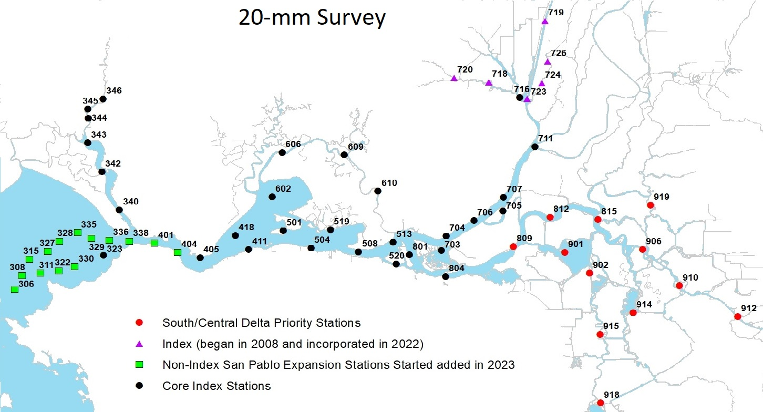
CDFW's 2025 20-mm Station Map

